Salary Effort Calculator
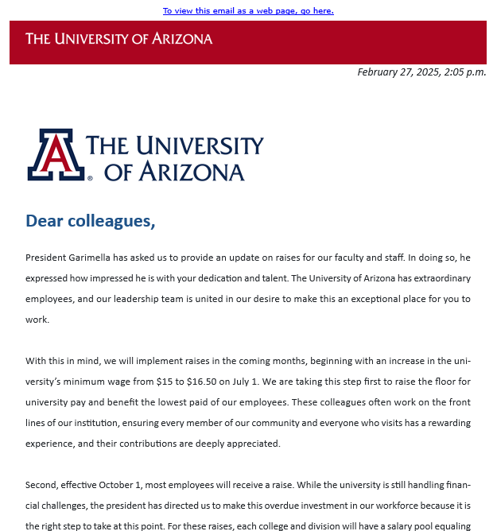
Instructions: Enter the annual salary for each faculty member funded on this project in the highlighted yellow row (row 6). The salary total will autopopulate in each subsequent row. Enter the calculated salary amount that corresponds to your desired time/effort into the budget template.

Faculty | % Effort - Summer | Faculty | % Effort - Summer | Faculty | % Effort - Summer | Staff | %Effort - Fiscal | Wages Calculator | Minimum wages
 |  |  |  |  |  |  |  |  | Type | wage | effective date
Academic Salary (9 mo.) |  | Academic Salary (9 mo.) |  | Academic Salary (9 mo.) |  | Fiscal Salary (12 mo.) |  |  | Arizona | $15.15 | 2026-01-01 | Source Link
$80,000.00 |  | $0.00 |  | $0.00 |  | $0.00 |  | Wage: | UAZ-student workers | $15.15 | 2025-12-22 | Source Link
 |  |  |  |  |  |  |  | $15.15 | UAZ-staff | $16.50 | 2025-07-01 | Source Link
Summer Salary (3 mo.) | 100.00% | Summer Salary (3 mo.) | 100.00% | Summer Salary (3 mo.) | 100.00% | 6 Months | 50% | Number of hours:
$26,666.88 |  | $0.00 |  | $0.00 |  | $0.00 |  | 100

Summer Salary (2 mo.) | 66.67% | Summer Salary (2 mo.) | 66.67% | Summer Salary (2 mo.) | 66.67% | Monthly | 8.33% | $1,515.00
$17,777.92 |  | $0.00 |  | $0.00 |  | $0.00

Summer Salary (1 mo.) | 33.33% | Summer Salary (1 mo.) | 33.33% | Summer Salary (1 mo.) | 33.33% | Bi-Weekly Salary | 4.17%
$8,888.96 |  | $0.00 |  | $0.00 |  | $0.00

Summer Salary (.75 mo.) | 25.00% | Summer Salary (.75 mo.) | 25.00% | Summer Salary (.75 mo.) | 25.00% | Weekly Salary | 2.08%
$6,666.72 |  | $0.00 |  | $0.00 |  | $0.00

Summer Salary (.5 mo.) | 16.67% | Summer Salary (.5 mo.) | 16.67% | Summer Salary (.5 mo.) | 16.67%
$4,444.48 |  | $0.00 |  | $0.00

Summer Salary (.25 mo.) | 8.33% | Summer Salary (.25 mo.) | 8.33% | Summer Salary (.25 mo.) | 8.33%
$2,222.24 |  | $0.00 |  | $0.00

Grad & PD Pay & Tuition Rates
GEOSCIENCES-Graduate Teaching and Research Assistants Salary Amounts |  |  |  |  |  |  |  |  |  |  | UA-Recommended TBD Postdoc Salary Amounts (follows NRSA)

Fall 2027 Rates -- effective 7/1/2026
Academic | Annualized Salary | FTE |  | Semester | Semester | Hourly Rate for Supp. Comp. | Full Time Summer | 3/4 Time Summer | 1/2 Time Summer | 1/4 Time Summer | Years of Experience | 0 | 1 | 2 | 3 | 4 | 5 | 6 | 7
 |  | 0.50 | 0.25 | 0.25 | 0.5 |  |  |  |  |  | Stipend | 62,232 | 62,652 | 63,120 | 65,640 | 67,824 | 70,344 | 72,960 | 75,564
MS Student | 51,308 | 25,654 | 12,827 | 6,414 | 12,827 | 32.07 | 14,623 | 10,967 | 7,311 | 3,656
 |  |  |  |  |  |  |  |  |  |  | Monthly Stipend | 5,186 | 5,221 | 5,260 | 5,470 | 5,652 | 5,862 | 6,080 | 6,297
PhD I | 52,350 | 26,175 | 13,088 | 6,544 | 13,088 | 32.72 | 14,920 | 11,190 | 7,460 | 3,730
 |  |  |  |  |  |  |  |  |  |  | NOT-OD-25-105 | Ruth L. Kirschstein National Research Service Award (NRSA) Stipends, Tuition/Fees and Other Budgetary Levels Effective for Fiscal Year 2025
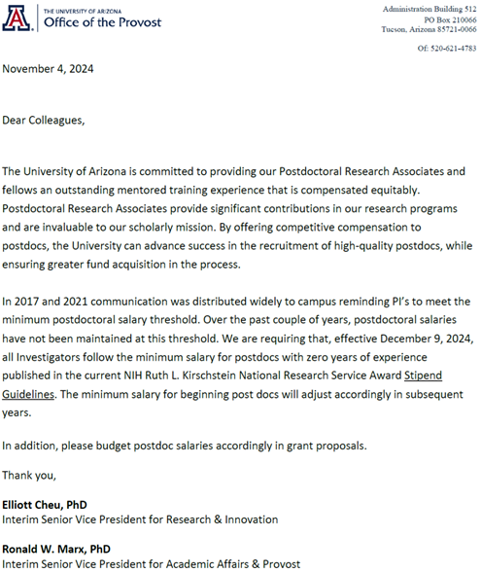
PhD II | 53,400 | 26,700 | 13,350 | 6,675 | 13,350 | 33.38 | 15,219 | 11,414 | 7,610 | 3,805

Fall 2026 Rates -- effective 7/1/2025
Academic | Annualized Salary | FTE |  | Semester | Semester | Hourly Rate for Supp. Comp. | Full Time Summer | 3/4 Time Summer | 1/2 Time Summer | 1/4 Time Summer
 |  | 0.50 | 0.25 | 0.25 | 0.5
MS Student | 46,000 | 23,000 | 11,500 | 5,750 | 11,500 | 28.75 | 13,110 | 9,833 | 6,555 | 3,278

PhD I | 46,700 | 23,350 | 11,675 | 5,838 | 11,675 | 29.19 | 13,310 | 9,982 | 6,655 | 3,327

PhD II | 48,400 | 24,200 | 12,100 | 6,050 | 12,100 | 30.25 | 13,794 | 10,346 | 6,897 | 3,449

Summer | Hrs. | % eff | pm
Full Time | 456 | 100% | 3.00 | * Available only if GA has worked .50 FTE for the Academic year with no other compensation.
Geos max | 420 | 92% | 2.76 | * Equiv to 35 hours/week
3/4 Time | 342 | 75% | 2.25
Half Time | 228 | 50% | 1.50
Qtr Time | 114 | 25% | 0.75

Three States of Pay available for Grad Assistant/Associates:

MS = Masters Student
PhD I = Students who have NOT yet passed the comprehensive exam.
PhD II = Students who have passed the comprehensive exam.

UA-Tuition and fees should be budgeted in the "Other" category

.50 FTE | FY 2027 | FY 2027 and Beyond
Fall | 7750 | Escalate tuition
Spring | 7750 | at 8% per year
Total | 15500

< .50 FTE | FY 2027 | FY 2027 and Beyond
Fall | 3875 | Escalate tuition
Spring | 3875 | at 8% per year
Total | 7750

Budget Justification Example:
Tuition for the graduate student is included as a mandatory benefit
and is charged in proportion to the amount of effort the graduate
student will work on the project.

Ver. updates
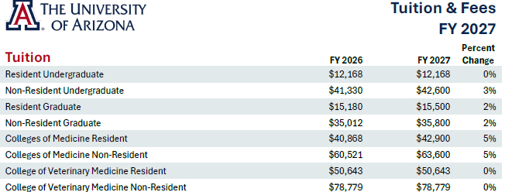
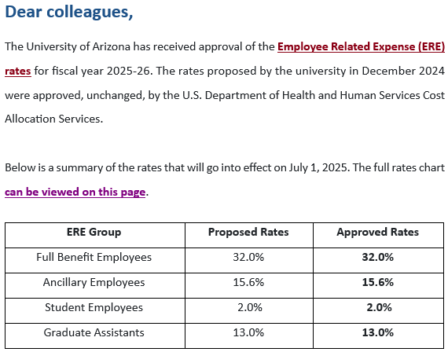
Date | Description of update

2023-04-28 | GRA rates adjusted for FY24, effective 7/1/2023
2023-05-03 | ERE rates adjusted for FY24, effective 7/1/2023

2024-01-12 | Formulas and extra rows added to Personnel section
 | Travel Worksheet revised
 | Other minor improvements
 | GRA rates adjusted for FY25, effective 7/1/2024

2024-03-20 | IDC rates adjusted for increase in FY25 and escalation
 | Update # pay days in salary calculator from 26.1 to 26

2024-04-11 | IDC rate calculation implemented
 | Max hours for GRAs changed to 420
 | Other minor changes to Budget Template | Above excerpted from the tuition_chart_fy_27.pdf file attached to the ramtalk email dated 12/09/2025

2024-04-23 | NRSA Postdoc stipend levels updated for (Federal) FY24 | When available in the tuition calculator, add screenshot here.
 | GRA tuition updated for FY25, effective 7/1/2024 | tuition calculator: https://tuitioncalculator.fso.arizona.edu/#/
 | Arizona minimum wage updated
 |  |  | https://finance.arizona.edu/accounting/ere-rates
2024-05-20 | GRA rates readjusted for FY25, effective 7/1/2024

2024-06-11 | ERE rates adjusted for FY25, effective 7/1/2024

2025-03-14 | GRA rates adjusted for FY26, effective 7/1/2025
 | UAz student and staff minimum wage rates updated
 | Reference screenshots updated
 | Travel cost basis links updated

2025-04-08 | Added the Executive Level II Salary Cap under Resources
 | Other minor improvements

2025-04-18 | Revised GRA tuition remission rate for AY26

2025-04-25 | ERE rates updated for FY26

2025-05-19 | Revised NRSA postdoc stipend levels

2025-07-08 | Update minimum wage information

2025-12-09 | Update FY27 GRA salary and tuition rates
 | Update Arizona and student worker minimum wage

